COR
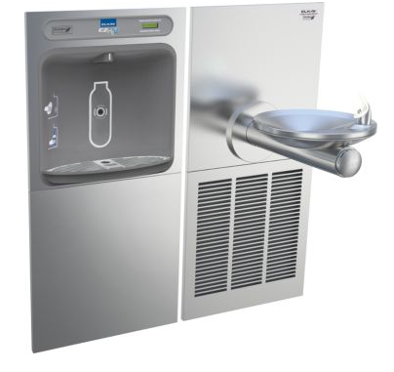
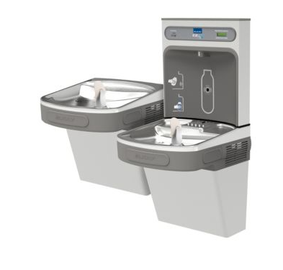
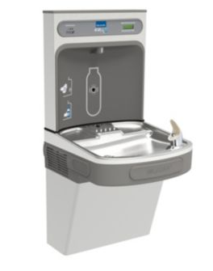
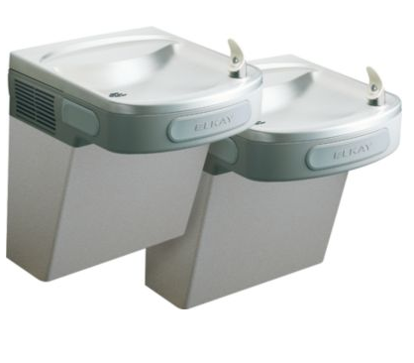
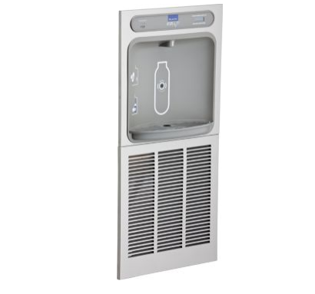
 |  |  |  |  |  |  | PROJECT: | CORA
 |  |  |  |  |  |  | DATE: | 2016-12-03
 |  |  |  |  |  |  | RFI/ASI:

DESCRIPTION OF CHANGE/WORK PERFORMED

CORE DRILL FOR NEW LOCATION OF TRENCH DRIANS

 |  | Labor |  |  |  | Material/Equipment |  |  |  | SUB TIER
Item | Description | Quan | UOM | Unit Cost | Total | Quan | UOM | Unit Cost | Total | UOM | Total
 | THADDEUS WAITS | 8 | HRS | $80.00 | $640
 | SCANNING AND CORE DRILLING | 4.0 | HRS | $60.50 | $242 |  |  |  |  | LS | $400.00
 | INSTALL NEW DRAIN | 1.0 | HRS | $60.50 | $61
 | INSTALL NEW PIPING | 4 | HRS | $60.50 | $242 | 20 | LF | $1.91 | $38
 | FITTINGS/HANGERS/GLUE/ETC |  |  |  |  | 1 | LOT | $50.00 | $50

 | Subtotals |  |  |  | $1,185 |  |  |  | $88 |  | $400
 | OH & Profit |  |  | 15% | $178 |  |  | 15% | $13 | 15% | $60.00
 | Totals |  |  |  | $1,362 |  |  |  | $101 |  | $460.00
 | Total this item
 | 1,924

